sales
orderID | orderDate | region | sales
TX-001 | 2026-01-15 | East | 500
TX-002 | 2026-01-16 | East | 350
TX-003 | 2026-01-17 | West | 700
TX-004 | 2026-01-18 | Central | 400
TX-005 | 2026-01-19 | West | 150

Dataset 1: Actual Sales (Primary Source)
This table tracks individual retail orders. It has a high level of detail (many rows per region).

target
area | target
East | 1000
West | 1200
Central | 800
DataSet-2 : Regional Sales Target(Secondary Source)
This table tracks static quarterly goals. It has a low level of detail (one row per region).

data12
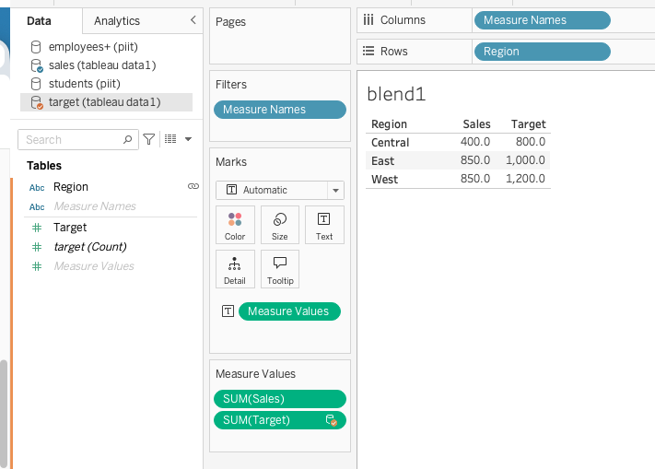
region | sales | target
Central | 400 | 800
East | 850 | 1000
West | 850 | 1200

By utilizing Tableau Data Blending, Tableau queries the Actual Sales table first, sums the sales per region (East = $850), and then queries the Regional Targets table to cleanly place the $1,000 target right next to it without row duplication

Connect to Excel File
Add Sales to Data Source and create a sheet with Region in Row and Total Sales to Column
Add Target to Data Source
Goto Existing Sheet. Link will show on Region Dimension
Add Target Measure to Columns

data12B
orderID | orderDate | region | sales | target
TX-001 | 2026-01-15 | East | 500 | 1000
TX-002 | 2026-01-16 | East | 350 | 1000
TX-003 | 2026-01-17 | West | 700 | 1200
TX-004 | 2026-01-18 | Central | 400 | 800
TX-005 | 2026-01-19 | West | 150 | 1200

Join by Regions

emp
DROP TABLE IF EXISTS emp;
CREATE TABLE emp ( empno decimal(4,0) NOT NULL, ename varchar(10) default NULL,
job varchar(9) default NULL, mgr decimal(4,0) default NULL, hiredate date default NULL,
sal decimal(7,2) default NULL, comm decimal(7,2) default NULL, deptno decimal(2,0) default NULL);
DROP TABLE IF EXISTS dept;
CREATE TABLE dept ( deptno decimal(2,0) default NULL, dname varchar(14) default NULL,
loc varchar(13) default NULL);
INSERT INTO emp VALUES ('7369','SMITH','CLERK','7902','1980-12-17','800.00',NULL,'20');
INSERT INTO emp VALUES ('7499','ALLEN','SALESMAN','7698','1981-02-20','1600.00','300.00','30');
INSERT INTO emp VALUES ('7521','WARD','SALESMAN','7698','1981-02-22','1250.00','500.00','30');
INSERT INTO emp VALUES ('7566','JONES','MANAGER','7839','1981-04-02','2975.00',NULL,'20');
INSERT INTO emp VALUES ('7654','MARTIN','SALESMAN','7698','1981-09-28','1250.00','1400.00','30');
INSERT INTO emp VALUES ('7698','BLAKE','MANAGER','7839','1981-05-01','2850.00',NULL,'30');
INSERT INTO emp VALUES ('7782','CLARK','MANAGER','7839','1981-06-09','2450.00',NULL,'10');
INSERT INTO emp VALUES ('7788','SCOTT','ANALYST','7566','1982-12-09','3000.00',NULL,'20');
INSERT INTO emp VALUES ('7839','KING','PRESIDENT',NULL,'1981-11-17','5000.00',NULL,'10');
INSERT INTO emp VALUES ('7844','TURNER','SALESMAN','7698','1981-09-08','1500.00','0.00','30');
INSERT INTO emp VALUES ('7876','ADAMS','CLERK','7788','1983-01-12','1100.00',NULL,'20');
INSERT INTO emp VALUES ('7900','JAMES','CLERK','7698','1981-12-03','950.00',NULL,'30');
INSERT INTO emp VALUES ('7902','FORD','ANALYST','7566','1981-12-03','3000.00',NULL,'20');
INSERT INTO emp VALUES ('7934','MILLER','CLERK','7782','1982-01-23','1300.00',NULL,'10');
INSERT INTO dept VALUES ('10','ACCOUNTING','NEW YORK');
INSERT INTO dept VALUES ('20','RESEARCH','DALLAS');
INSERT INTO dept VALUES ('30','SALES','CHICAGO');
INSERT INTO dept VALUES ('40','OPERATIONS','BOSTON');
empno | ename | job | mgr | hiredate | sal | comm | deptno
7369 | SMITH | CLERK | 7902 | 1980-12-17 | 800 |  | 20
7499 | ALLEN | SALESMAN | 7698 | 1981-02-20 | 1600 | 300 | 30
7521 | WARD | SALESMAN | 7698 | 1981-02-22 | 1250 | 500 | 30
7566 | JONES | MANAGER | 7839 | 1981-04-02 | 2975 |  | 20
7654 | MARTIN | SALESMAN | 7698 | 1981-09-28 | 1250 | 1400 | 30
7698 | BLAKE | MANAGER | 7839 | 1981-05-01 | 2850 |  | 30
7782 | CLARK | MANAGER | 7839 | 1981-06-09 | 2450 |  | 10
7788 | SCOTT | ANALYST | 7566 | 1982-12-09 | 3000 |  | 20
7839 | KING | PRESIDENT |  | 1981-11-17 | 5000 |  | 10
7844 | TURNER | SALESMAN | 7698 | 1981-09-08 | 1500 | 0 | 30
7876 | ADAMS | CLERK | 7788 | 1983-01-12 | 1100 |  | 20
7900 | JAMES | CLERK | 7698 | 1981-12-03 | 950 |  | 30
7902 | FORD | ANALYST | 7566 | 1981-12-03 | 3000 |  | 20
7934 | MILLER | CLERK | 7782 | 1982-01-23 | 1300 |  | 10

